Heat content of coal
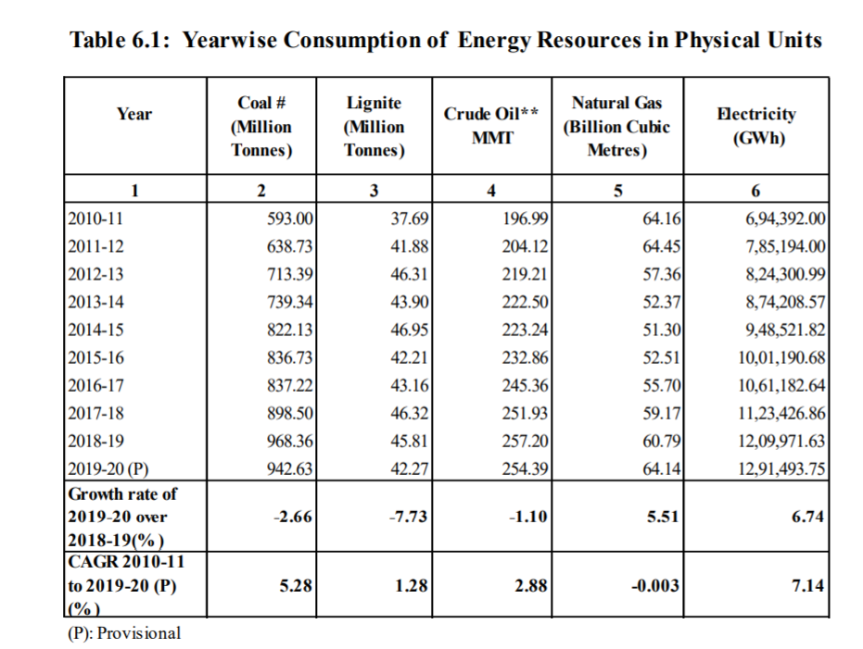
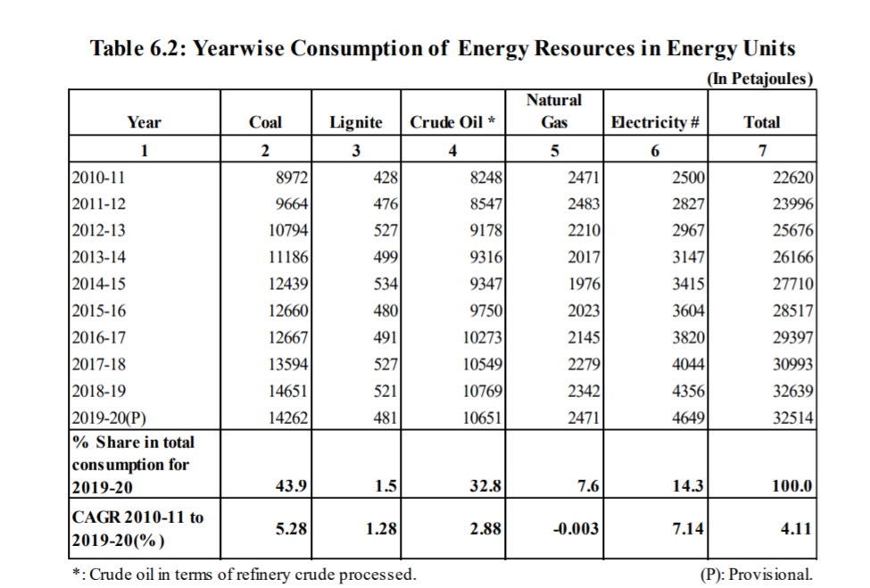
 | Total Coal Consumption |  | http://www.mospi.nic.in/sites/default/files/reports_and_publication/ES/Energy%20Statistics%20India%202021.pdf
 | By mass (million tonnes) | By energy (petajoules)
2019-20 | 942.63 | 14262

Unit conversions:
Petajoule to Kcal | 239000000000
Million tonnes to Kg | 1.00E+09

Avg. heat content (Kcal/Kg) | 3616.07

MSW
Projections of MSW generation |  |  |  | Collection Efficiency |  |  |  |  | 2017 | 2018 | 2019 | 2020 | 2021 | 2022 | 2023 | 2024 | 2025 | 2026 | 2027 | 2028 | 2029 | 2030 | 2031 | 2032 | 2033 | 2034 | 2035 | 2036 | 2037 | 2038 | 2039 | 2040 | 2041 | 2042 | 2043 | 2044 | 2045 | 2046 | 2047 | 2048 | 2049 | 2050
 | 2013 | 2031 | 2050 | 2013 | 2022 |  |  | MSW generated | 84.89 | 90.61 | 96.33 | 102.06 | 107.78 | 113.50 | 119.22 | 124.94 | 130.67 | 136.39 | 142.11 | 147.83 | 153.56 | 159.28 | 165.00 | 179.26 | 193.53 | 207.79 | 222.05 | 236.32 | 250.58 | 264.84 | 279.11 | 293.37 | 307.63 | 321.89 | 336.16 | 350.42 | 364.68 | 378.95 | 393.21 | 407.47 | 421.74 | 436.00
MMT | 62 | 165 | 436 | 0.68 | 1 |  |  | Collection % | 0.82 | 0.86 | 0.89 | 0.93 | 0.96 | 1.00 | 1.00 | 1.00 | 1.00 | 1.00 | 1.00 | 1.00 | 1.00 | 1.00 | 1.00 | 1.00 | 1.00 | 1.00 | 1.00 | 1.00 | 1.00 | 1.00 | 1.00 | 1.00 | 1.00 | 1.00 | 1.00 | 1.00 | 1.00 | 1.00 | 1.00 | 1.00 | 1.00 | 1.00
 |  |  |  |  |  |  |  | MSW collected | 69.80 | 77.72 | 86.06 | 94.80 | 103.95 | 113.50 | 119.22 | 124.94 | 130.67 | 136.39 | 142.11 | 147.83 | 153.56 | 159.28 | 165.00 | 179.26 | 193.53 | 207.79 | 222.05 | 236.32 | 250.58 | 264.84 | 279.11 | 293.37 | 307.63 | 321.89 | 336.16 | 350.42 | 364.68 | 378.95 | 393.21 | 407.47 | 421.74 | 436.00
Composition of MSW in 2013* |  |  |  |  |  |  |  | Organic (MMT) | 35.60 | 39.64 | 43.89 | 48.35 | 53.01 | 57.89 | 60.80 | 63.72 | 66.64 | 69.56 | 72.48 | 75.39 | 78.31 | 81.23 | 84.15 | 91.42 | 98.70 | 105.97 | 113.25 | 120.52 | 127.80 | 135.07 | 142.34 | 149.62 | 156.89 | 164.17 | 171.44 | 178.71 | 185.99 | 193.26 | 200.54 | 207.81 | 215.09 | 222.36
Organic waste |  | 51 | % | Collection efficiency |  | 68 | % | RDF (MMT) | 17.10 | 19.04 | 21.08 | 23.23 | 25.47 | 27.81 | 29.21 | 30.61 | 32.01 | 33.42 | 34.82 | 36.22 | 37.62 | 39.02 | 40.43 | 43.92 | 47.41 | 50.91 | 54.40 | 57.90 | 61.39 | 64.89 | 68.38 | 71.88 | 75.37 | 78.86 | 82.36 | 85.85 | 89.35 | 92.84 | 96.34 | 99.83 | 103.33 | 106.82
Inert & Non-organic |  | 32 | % |  |  |  |  | Organic (MT) | 35596740.741 | 39639340.741 | 43889466.667 | 48347118.519 | 53012296.296 | 57885000 | 60803333.333 | 63721666.667 | 66640000 | 69558333.333 | 72476666.667 | 75395000 | 78313333.333 | 81231666.667 | 84150000 | 91424210.526 | 98698421.053 | 105972631.58 | 113246842.11 | 120521052.63 | 127795263.16 | 135069473.68 | 142343684.21 | 149617894.74 | 156892105.26 | 164166315.79 | 171440526.32 | 178714736.84 | 185988947.37 | 193263157.89 | 200537368.42 | 207811578.95 | 215085789.47 | 222360000
Recyclable |  | 17 | % |  |  |  |  | RDF (MT) | 17100395.062 | 19042428.395 | 21084155.556 | 23225576.543 | 25466691.358 | 27807500 | 29209444.444 | 30611388.889 | 32013333.333 | 33415277.778 | 34817222.222 | 36219166.667 | 37621111.111 | 39023055.556 | 40425000 | 43919473.684 | 47413947.368 | 50908421.053 | 54402894.737 | 57897368.421 | 61391842.105 | 64886315.789 | 68380789.474 | 71875263.158 | 75369736.842 | 78864210.526 | 82358684.211 | 85853157.895 | 89347631.579 | 92842105.263 | 96336578.947 | 99831052.632 | 103325526.32 | 106820000
Avg. Refuse Derived Fuel |  | 24.5 | % |  |  |  |  | Organic (BTU) | 4.51E+14 | 5.02E+14 | 5.56E+14 | 6.13E+14 | 6.72E+14 | 7.33E+14 | 7.70E+14 | 8.07E+14 | 8.44E+14 | 8.81E+14 | 9.18E+14 | 9.55E+14 | 9.92E+14 | 1.03E+15 | 1.07E+15 | 1.16E+15 | 1.25E+15 | 1.34E+15 | 1.43E+15 | 1.53E+15 | 1.62E+15 | 1.71E+15 | 1.80E+15 | 1.90E+15 | 1.99E+15 | 2.08E+15 | 2.17E+15 | 2.26E+15 | 2.36E+15 | 2.45E+15 | 2.54E+15 | 2.63E+15 | 2.73E+15 | 2.82E+15
Source: Report of the Task Force on Waste-to-Energy, Planning Commission |  |  |  |  |  |  |  | RDF (BTU) | 2.5430446382E+14 | 2.831849513E+14 | 3.1354801186E+14 | 345393645487915 | 3.7872185219E+14 | 4.1353263197E+14 | 4.3438131581E+14 | 4.5522999966E+14 | 4.760786835E+14 | 4.9692736734E+14 | 5.1777605119E+14 | 5.3862473503E+14 | 5.5947341887E+14 | 5.8032210272E+14 | 6.0117078656E+14 | 653138022019736 | 7.0510525748E+14 | 7.5707249293E+14 | 8.0903972839E+14 | 8.6100696385E+14 | 9.1297419931E+14 | 9.6494143476E+14 | 1.0169086702E+15 | 1.0688759057E+15 | 1.1208431411E+15 | 1.1728103766E+15 | 1.224777612E+15 | 1.2767448475E+15 | 1.328712083E+15 | 1.3806793184E+15 | 1.4326465539E+15 | 1.4846137893E+15 | 1.5365810248E+15 | 1.5885482602E+15
Page ii; Text Box-1, page 5 |  |  |  |  |  |  |  | MSW Weighted Avg (BTU) | 2.923257837E+14 | 325524222333581 | 3.6042689506E+14 | 3.9703380187E+14 | 4.3534494276E+14 | 4.7536031775E+14 | 4.9932610959E+14 | 5.2329190143E+14 | 5.4725769326E+14 | 5.712234851E+14 | 5.9518927694E+14 | 6.1915506878E+14 | 6.4312086062E+14 | 6.6708665246E+14 | 6.910524443E+14 | 7.5078935416E+14 | 810526264017515 | 8.7026317388E+14 | 9.3000008373E+14 | 9.8973699359E+14 | 1.0494739035E+15 | 1.1092108133E+15 | 1.1689477232E+15 | 1.228684633E+15 | 1.2884215429E+15 | 1.3481584527E+15 | 1.4078953626E+15 | 1.4676322725E+15 | 1.5273691823E+15 | 1.5871060922E+15 | 1.646843002E+15 | 1.7065799119E+15 | 1.7663168217E+15 | 1.8260537316E+15
*In this model, we are only concerned with the amount of MSW that is used as a fuel,
and exclude the portion that goes to landfills
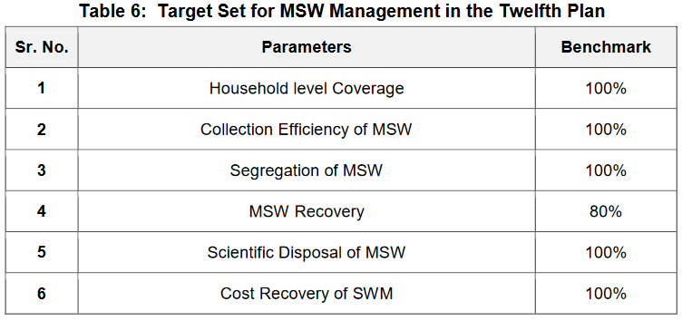

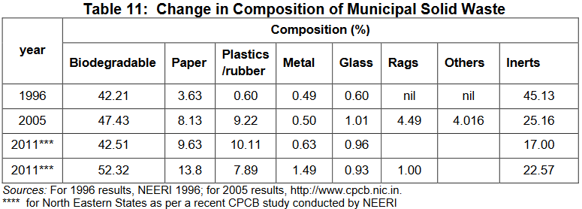

 |  |  |  |  |  |  |  |  | Source: Report of the Task Force on Waste-to-Energy, Planning Commission
Source: Report of the Task Force on Waste-to-Energy, Planning Commission |  |  |  |  |  |  |  |  | Table 11, page 54
Table 6, page 37

